Endownment Dynamic
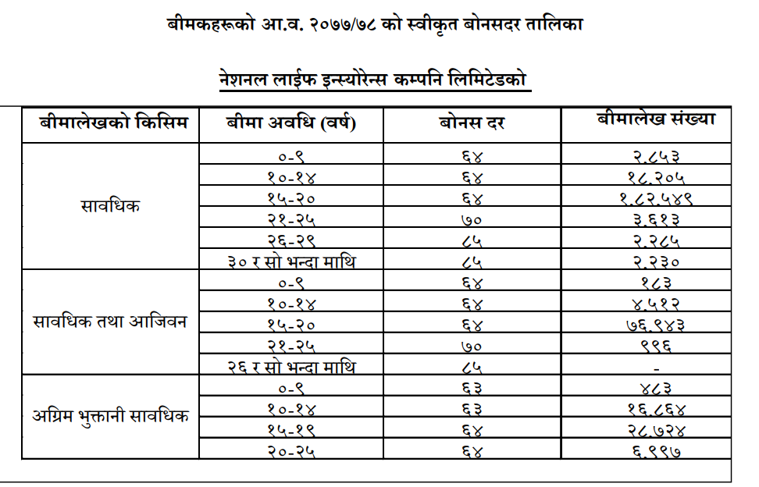
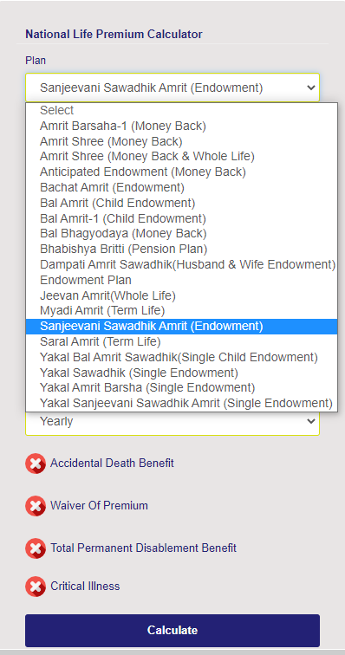
 |  |  |  |  |  | Variables |  | Constants
 |  | 2023-05-12 | 2024-05-12 | 2025-05-12 | 2026-05-12 | 2027-05-12 | 2028-05-12 | 2029-05-12 | 2030-05-12 | 2031-05-12 | 2032-05-12 | 2033-05-12 | 2034-05-12 | 2035-05-12 | 2036-05-12 | 2037-05-12 | 2038-05-12 | 2039-05-12 | 2040-05-12 | 2041-05-12 | 2042-05-12 | 2043-05-12 | 2044-05-12 | 2045-05-12 | 2046-05-12 | 2047-05-12
Year |  | 1 | 2 | 3 | 4 | 5 | 6 | 7 | 8 | 9 | 10 | 11 | 12 | 13 | 14 | 15 | 16 | 17 | 18 | 19 | 20 | 21 | 22 | 23 | 24 | 25
 |  | 15 | 14 | 13 | 12 | 11 | 10 | 9 | 8 | 7 | 6 | 5 | 4 | 3 | 2 | 1 | 0 | -1 | -2 | -3 | -4 | -5 | -6 | -7 | -8 | -9

Premium Amount (Rs.) |  | 48,881 | 55,670 | 59,064 | 62,459 | 62,459 | 62,459 | 62,459 | 62,459 | 62,459 | 62,459 | 65,853 | 65,853 | 65,853 | 65,853 | 65,853 | - | - | - | - | - | - | - | - | - | -
Commission |  | 25% | 15% | 10% | 5% | 5% | 5% | 5% | 5% | 5% | 5%
Earnings |  | 178,047 | 186,033 | 181,080 | 175,676 | 161,170 | 147,863 | 135,654 | 124,453 | 114,177 | 104,750 | 101,323 | 92,957 | 85,282 | 78,240 | 71,780 | - | - | - | - | - | - | - | - | - | -

Management Expense | 3% |  | Total In Flow | 1,938,486 |  | PV of Inflow | 532,188
Premium | 67,890 |  | Total Out Flow | 1,960,000 |  | PV of Outflow | 538,095
Sum Assured | 1,000,000
Investment Return | 9% |  | Profit/Loss | -21,514 |  | Profit/Loss | -5,906
Bonus Rate | 64
Term (Years) | 15 |  | %P/L | -31.69%

 | Sum | 532,188 | NPV | 488,246
 | PV of Inflows | 48,881 | 51,073 | 49,713 | 48,230 | 44,247 | 40,594 | 37,242 | 34,167 | 31,346 | 28,758 | 27,817 | 25,520 | 23,413 | 21,480 | 19,706 | - | - | - | - | - | - | - | - | - | -

National Life | Age | Term | Premium | Bonus Rate | Total Inflows | Total Outflows | PV of Inflows | PV of Outflows | P/L % |  |  |  | Endowment | Bachat Amrit??
 | 30 | 10 | 104,710.00 | 64 | 1,512,554.77 | 1,640,000.00 | 638,919.48 | 692,753.72 | -53,834.24 |  |  |  | Money Back | Amrit Barsha
Endowment | 30 | 15 | 67,890.00 | 64 | 1,938,485.85 | 1,960,000.00 | 532,188.11 | 538,094.56 | -5,906.45 |  |  |  | Child | Bal Amrit
https://nationallife.com.np/prmcalcV2/index.html | 30 | 20 | 49,980.00 | 64 | 2,512,018.71 | 2,280,000.00 | 448,221.73 | 406,822.43 | 41,399.30 |  |  |  | Whole-Life | Jeevan Amrit | Endowment cum whole life
 | 30 | 25 | 39,890.00 | 70 | 3,337,181.86 | 2,750,000.00 | 387,005.76 | 318,911.55 | 68,094.21
 | 40 | 10 | 108,030.00 | 64 | 1,560,512.77 | 1,640,000.00 | 659,177.46 | 692,753.72 | -33,576.27
 | 40 | 15 | 72,560.00 | 64 | 2,071,829.92 | 1,960,000.00 | 568,796.13 | 538,094.56 | 30,701.57
 | 40 | 20 | 56,170.00 | 64 | 2,823,131.07 | 2,280,000.00 | 503,733.79 | 406,822.43 | 96,911.36
 | 40 | 25 | NA | 70 |  |  |  |  | -
 | 50 | 10 | 117,920.00 | 64 | 1,938,485.85 | 1,960,000.00 | 532,188.11 | 538,094.56 | -5,906.45
 | 50 | 15 | NA | 64 |  |  |  |  | -
 | 50 | 20 | NA | 64 |  |  |  |  | -
 | 50 | 25 | NA | 70 |  |  |  |  | -

Amrit Barsha Money Back
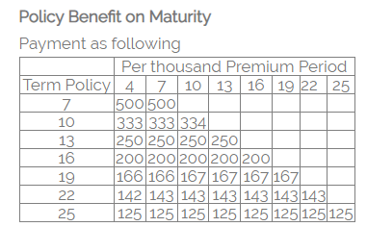
 |  |  |  |  |  | Variables |  | Constants
 | 1 | 111
Year |  | 1 | 2 | 3 | 4 | 5 | 6 | 7 | 8 | 9 | 10 | 11 | 12 | 13 | 14 | 15 | 16 | 17 | 18 | 19 | 20 | 21 | 22 | 23 | 24 | 25
Reference |  | 16 | 15 | 14 | 13 | 12 | 11 | 10 | 9 | 8 | 7 | 6 | 5 | 4 | 3 | 2 | 1 | 0 | -1 | -2 | -3 | -4 | -5 | -6 | -7 | -8
Money Back Period |  |  |  |  | 1 |  |  | 1 |  |  | 1 |  |  | 1 |  |  | 1 |  |  | 1 |  |  | 1 |  |  | 1
Premium Amount (Rs.) |  | 60,552 | 68,962 | 73,167 | 77,372 | 77,372 | 77,372 | 77,372 | 77,372 | 77,372 | 77,372 | 81,577 | 81,577 | 81,577 | 81,577 | 81,577 | 81,577 | - | - | - | - | - | - | - | - | -
Commission ?? |  | 25% | 15% | 10% | 5% | 5% | 5% | 5% | 5% | 5% | 5%
Earnings/Inflows |  | 240,410 | 251,193 | 244,504 | 237,207 | 217,621 | 199,653 | 183,168 | 168,044 | 154,169 | 141,439 | 136,813 | 125,516 | 115,153 | 105,645 | 96,922 | 88,919 | - | - | - | - | - | - | - | - | -
PV of Inflows | 681,654 | 60,552 | 63,268 | 61,583 | 59,745 | 54,812 | 50,286 | 46,134 | 42,325 | 38,830 | 35,624 | 34,459 | 31,614 | 29,003 | 26,609 | 24,412 | 22,396 | - | - | - | - | - | - | - | - | -
Money Back | 800,000 | - | - | - | 200,000 | - | - | 200,000 | - | - | 200,000 | - | - | 200,000 | - | - | - | - | - | - | - | - | - | - | - | -

Earnings | 1,481,938 | 85,474 | 89,308 | 86,930 | 84,335 | 100,199 | 91,926 | 84,335 | 100,199 | 91,926 | 84,335 | 105,645 | 96,922 | 88,919 | 105,645 | 96,922 | 88,919 | - | - | - | - | - | - | - | - | -
Balance |  |  |  |  | 146,047 |  |  | 76,460 | - | - | 76,460 | - | - | 91,485 | - | - | 291,485 | - | - | - | - | - | - | - | - | -
Earnings from Balance | 1,115,037 |  |  |  | 410,781 | - | - | 166,063 | - | - | 128,231 | - | - | 118,476 | - | - | 291,485 | - | - | - | - | - | - | - | - | -

Remaining

Management Expense | 3% |  | Total InFlow | 2,596,975 |  | PV of Inflow | 681,654 |  |  | Money Back Per Thousand
Premium | 84,100 |  | Total Out Flow?? | 1,800,000 |  | PV of Outflow | 453,366 |  | Term Duration | 4 | 7 | 10 | 13 | 16 | 19 | 22 | 25 | Sum
Sum Assured | 1,000,000 |  |  |  |  |  |  | 2 | 7 | 500 | 500 | - | - | - | - | - | - | 1,000.00
Investment Return | 9% |  | Profit/Loss | 796,975 |  | Profit/Loss | 228,288 | 3 | 10 | 333 | 333 | 334 | - | - | - | - | - | 1,000.00
Bonus Rate | 64 |  |  |  |  |  |  | 4 | 13 | 250 | 250 | 250 | 250 | - | - | - | - | 1,000.00
Term (Years) | 16 |  | %P/L | 947.65% |  | %P/L | 271.45% | 5 | 16 | 200 | 200 | 200 | 200 | 200 | - | - | - | 1,000.00
 |  |  |  |  |  |  |  | 6 | 19 | 166 | 166 | 167 | 167 | 167 | 167 | - | - | 1,000.00
 |  |  |  |  |  |  |  | 7 | 22 | 142 | 143 | 143 | 143 | 143 | 143 | 143 | - | 1,000.00
 |  |  |  |  |  |  |  | 8 | 25 | 125 | 125 | 125 | 125 | 125 | 125 | 125 | 125 | 1,000.00

National Life | Age | Term | Premium | Bonus Rate | Total Inflows | Total Outflows | PV of Inflows | PV of Outflows | P/L % |  | 10 |  | Endowment | Bachat Amrit??
 | 30 | 10 | 121,000.00 | 63 |  |  |  |  | - |  | 16 |  | Money Back | Amrit Barsha ??
Amrit Barsha Money Back | 30 | 16 | 84,100.00 | 64 |  |  |  |  | - |  | 19 |  | Child | Bal Amrit
https://nationallife.com.np/prmcalcV2/index.html | 30 | 19 | 75,400.00 | 64 |  |  |  |  | - |  | 25 |  | Whole-Life | Jeevan Amrit | Endowment cum whole life
 | 30 | 25 | 65,200.00 | 64 |  |  |  |  | -
 | 40 | 10 | 122,000.00 | 63
 | 40 | 16 | 84,600.00 | 64 |  |  |  |  | -
 | 40 | 19 | 76,400.00 | 64 |  |  |  |  | -
 | 40 | 25 | 66,800.00 | 64 |  |  |  |  | -
 | 50 | 10 | 123,000.00 | 63 |  |  |  |  |  |  |  |  | https://www.youtube.com/watch?v=TAchV0mGL_0&ab_channel=SanjeevChaudhary
 | 50 | 16 | 88,800.00 | 64 |  |  |  |  | -
 | 50 | 19 | 81,300.00 | 64
 | 50 | 25 | NA | 64

